Merch&Apparal Tag Store Special
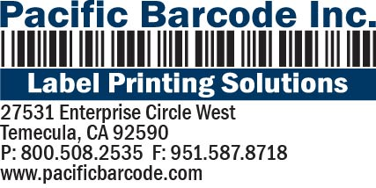

Merchandise Label / Tags
v101116

Label/Tag Description |  |  |  | Item # |  | Size | Price Per EA |  | Price Per M (1000)
Apparel Hang Tag |  |  |  | SBT1C-1527-RED |  | 1.5" x 2.75" | $0.0470 |  | $47.00
Merchandise Label |  |  |  | SB1C-1316-RED |  | 1.25 x 1.625 | $0.0240 |  | $24.00
 |  |  |  |  |  |  |  | `
Other Details:
Minimum # of tags/labels per SKU |  |  |  |  | No Restriction, as little as 1 tag or label
Minimum Order Charge: |  |  |  |  | $42.00

Label Type: |  | ML=Merchandise Label AT=Apparal Hang Tag |  |  | Enter Here:→

Dunham's PO# |  |  |  |  | Enter Here:→

Dept | Class | UPC | Vendor/ Style | Color | Size | Footer | Retail Price No $ Sign |  | Store Special Price No $ Sign | Label/Ticket QTY
 |  |  |  |  |  | Store Special
 |  |  |  |  |  | Store Special
 |  |  |  |  |  | Store Special
 |  |  |  |  |  | Store Special
 |  |  |  |  |  | Store Special
 |  |  |  |  |  | Store Special
 |  |  |  |  |  | Store Special
 |  |  |  |  |  | Store Special
 |  |  |  |  |  | Store Special
 |  |  |  |  |  | Store Special
 |  |  |  |  |  | Store Special
 |  |  |  |  |  | Store Special
* ASK US FOR AN EXCEL SPREADSHEET, email to sales@pacificbarcode.com

Bill to: |  |  |  |  |  | Ship to:
Company Name: |  |  |  |  |  | Company Name:
Contact |  |  |  |  |  | Contact
Address |  |  |  |  |  | Address
City, State Zip |  |  |  |  |  | City, State Zip

Phone: |  |  |  |  |  | Shipping Method: | Next Day, 2 Day, 3 Day, Ground
Fax
Credit Card Type:
Credit Card # |  |  |  |  |  | ORDER BY FAX: 951-587-8718
Expiration Date: |  |  |  |  |  | ORDER BY EMAIL: sales@pacificbarcode.com
www.pacificbarcode.com |  |  |  |  | CCV# | ORDER BY PHONE, CALL NOW 800.508.2535

